Rute
Nama Subnet | Rute | Jumlah IP | Netmask | Format | Router > Node
A1 | Amonsul > Minastir> Anor > Beacon, Silmarlis | 661 | /22 |  | Router > Switch > Node > Switch > Node
A2 | Amonsul > Minastir> Amroth > Throne > Erebor | 3 | /29 |  | Router > Switch > Node
A3 | Amonsul > Minastir> Amroth > Morgoth > Erendis, Elrond | 62 | /26 |  | Router > Router
A4 | Amonsul > Minastir > Amroth > Morgoth, Throne | 3 | /29 |  | dst
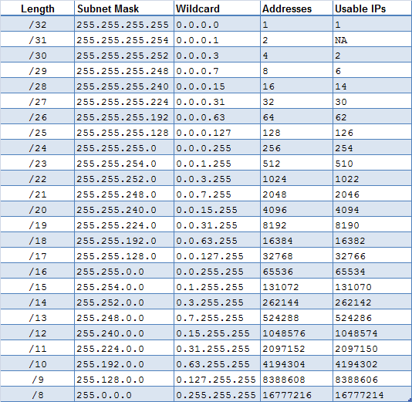
A5 | Amonsul > Minastir > Anor | 2 | /30
A6 | Amonsul > Minastir > Amroth | 2 | /30
A7 | Amonsul > Minastir | 2 | /30
A8 | Amonsul > Eregion > Numenor > Mordor > Erain > Thranduil, Gothmog, Balrog | 470 | /23
A9 | Amonsul > Eregion > Numenor > Mordor > Erain > Melkor, Khazad | 503 | /23
A10 | Amonsul > Eregion > Numenor > Arthedain, Mirdain | 875 | /22
A11 | Amonsul > Eregion > Numenor > Gudur > IronCrown, Grond, Hobbiton | 14 | /28
A12 | Amonsul > Eregion > Numenor > Gudur > Palantir, Edhil | 120 | /25
A13 | Amonsul > Eregion > Mirkwood, Morgul | 126 | /25
A14 | Amonsul > Eregion > Numenor > Mordor > Erain | 2 | /30
A15 | Amonsul > Eregion > Numenor > Mordor | 2 | /30
A16 | Amonsul > Eregion > Numenor > Gudur | 2 | /30
A17 | Amonsul > Eregion > Numenor | 2 | /30
A18 | Amonsul > Eregion | 2 | /30
A19 | Amonsul > Fornost > Valmar > Imrahil, Utumno, Gwaith | 34 | /26
A20 | Amonsul > Fornost > Valinor > Doriath, Arnor | 28 | /27
A21 | Amonsul > Fornost > Valinor > Shadow, Anarion, Lindon | 299 | /23
A22 | Amonsul > Fornost > Valinor, Valmar | 3 | /29
A23 | Amonsul > Fornost | 2 | /30
Total |  | 3219 | /20

